Sheet1
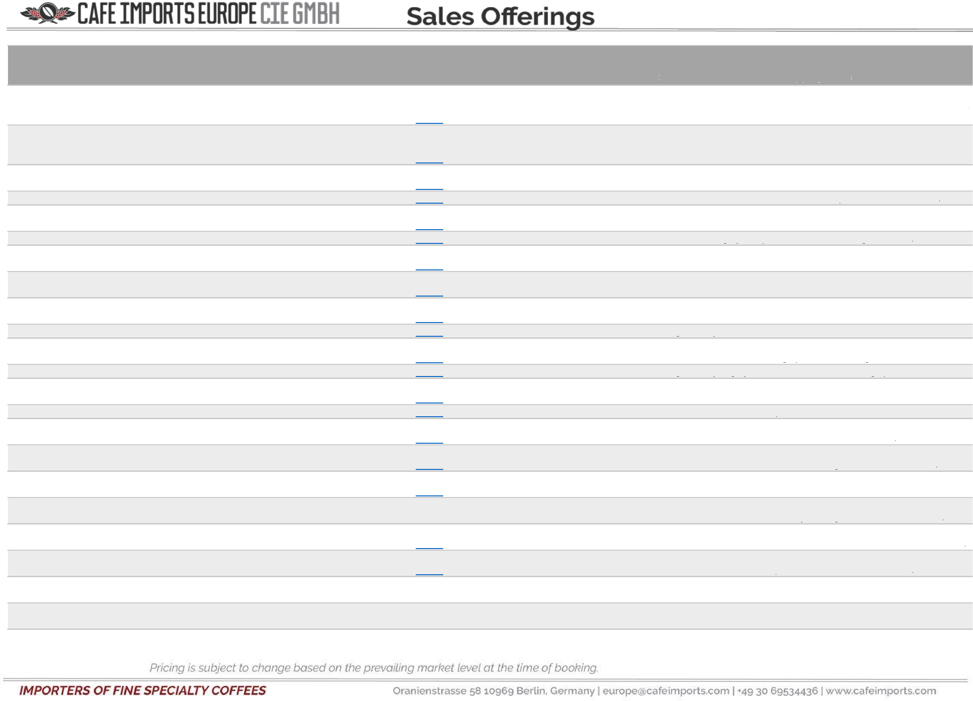

Origin | Grade | Name | Process | ID | Approx Approx Bags Bag USD/ kg EUR/kg GBP/kg Available Weight
Guatemala | Microlot | Francisco Morales Carrillo - Finca La Esperanza - El Coyegual - San Antonio Huista - Huehuetenango (GrainPro) (2019 Harvest) | Washed | 14223 | $7.50 | €006 | £005 | 3 | 69 Kg
Guatemala | Microlot | Santos Emiliano Bautista - Finca San Emiliano - Xeabaj - Sipacapa - San Marcos (GrainPro) (2019 Harvest) | Washed | 14220 | $006 | €005 | £005 | 1 | 69 Kg
Guatemala | Regional Select | Huehuetenango - Waykan (GrainPro) | Washed | 15241 | $007 | €006 | £005 | 41 | 69 Kg
Guatemala | Regional Select | Huehuetenango - Waykan (GrainPro) | Washed | 15262 | $007 | €006 | £005 | 261 | 69 Kg
Honduras | Regional Select | La Montana Comayagua - SHB (GrainPro) (2019 Harvest) | Washed | 13594 | $005 | €004 | £3.70 | 4 | 69 Kg
Honduras | Regional Select | Marcala (GrainPro) | Washed | 15849 | $006 | €005 | £005 | 6 | 69 Kg
Kenya | Microlot | Kabunyeria - Kabunyeria F.C.S. - Nandi Hills - AA - (Grain Pro) | Washed | 15471 | $014 | €011 | £010 | 37 | 30 Kg
Kenya | Microlot | Muthuthuini - AB (GrainPro) | Washed | 15437 | $10.30 | €008 | £008 | 13 | 30 Kg
Kenya | Microlot | Karii - Mutira F.C.S. - Kerugoya - AA - (Grain Pro) | Washed | 15465 | $013 | €10.70 | £010 | 4 | 30 Kg
Kenya | Microlot | Kariaini AA (GrainPro) | Washed | 15482 | $009 | €007 | £006 | 25 | 30 Kg
Kenya | Microlot | Kanyoni - New Gatukuyu F.C.S. - Kiambu - AA (GrainPro) (2019 Harvest) | Washed | 13810 | $010 | €009 | £008 | 1 | 60 Kg
Kenya | Microlot | Muthigi-ini - AA (GrainPro) | Washed | 15463 | $013 | €10.70 | £010 | 33 | 30 Kg
Kenya | Microlot | Gatomboya - Barichu F.C.S. - Karatina - AA (Grain Pro) | Washed | 15491 | $009 | €007 | £006 | 13 | 30 Kg
Mexico | Regional Select | Chiapas - Siltepec (GrainPro) | Washed | 15387 | $007 | €006 | £005 | 25 | 69 Kg
Nicaragua | Microlot | Isacio Albir - Finca Agua Sarca - Maracaturra (GrainPro) (2019 Harvest) | Honey | 14517 | $008 | €007 | £006 | 4 | 69 Kg
Nicaragua | Microlot | Jesus Mountain Coffee - Pacamara (GrainPro) (2019 Harvest) | Washed | 14522 | $008 | €007 | £006 | 5 | 69 Kg
Nicaragua | Microlot | Rodrigo Peralta - Finca Las Golondrinas - Caturra (GrainPro) (2019 Harvest) | Washed | 14521 | $008 | €007 | £006 | 7 | 69 Kg
Nicaragua | Regional Select | Cafetos de Segovia - Finca Tierra Linda - Caturra (GrainPro) | Washed | 16080 | $007 | €006 | £005 | 31 | 69 Kg
Peru | FTO Norte | Lima Coffee - FLO ID 34573 - (CBC PE-BIO-149) (GrainPro) | Washed | 15842 | $007 | €006 | £005 | 23 | 69 Kg
Peru | FTO Norte | Lima Coffee - FLO ID 34573 - (CBC PE-BIO-149) (GrainPro) (2019 Harvest) | Washed | 14501 | $005 | €004 | £004 | 7 | 69 Kg
Peru | Organic Microlot | Augusto Calle - Huabal - Cajamarca - (CBC PE-BIO-149) (GrainPro) (2018 Harvest) | Washed | 13259 | $004 | €004 | £003 | 2 | 69 Kg
Peru | Organic Microlot | Patricio Rubio - Huabal - Cajamarca - (CBC PE-BIO-149) (GrainPro) | Washed | 16381 | $10.60 | €009 | £008 | 14 | 69 Kg
Peru | Organic Microlot | Milsar Nayra - Chirinos - Cajamarca - (CBC PE-BIO-149) (GrainPro) | Washed | 16380 | $10.60 | €009 | £008 | 10 | 69 Kg

4-Jan-21
Cupping Notes
Very fruity with ripe apple, lime, rich ruby red grapefruit and caramel flavors;
sweet with tart fruit acidity and a sugary mouthfeel.
Sugary sweet with big tart acidity and a smooth mouthfeel; rich chocolate
flavor and very fruity with pear, apple cider, raisin and cola sugar flavors.
Sweet, clean and citric with lemon, toffee, chocolate and mellow red grape
flavor.
Mellow, sweet, clean and citric with lemon, praline and cocoa flavors.
Sweet with tart fruit acidity and a sugary mouthfeel; toffee, caramel and
chocolate flavors.
Mellow and sugary with praline, cocoa and lemongrass flavors.
Sweet and juicy with bright acidity; grapefruit, red grape, caramel and
chocolate flavors.
Sugary, sweet and savory with caramel, rich chocolate and grapefruit flavors
and tart fruit acidity.
Bright acidity with rich sweetness and a heavy mouthfeel, grapefruit,
lemonade and chocoalte flavors.
Bright acidity, caramel flavor.
Floral and balanced. Notes of grapefruit, cola, mango and cinnamon.
Bright acidity, sugary and soft with caramel and red grape flavor.
Bright, sweet, juicy and fruity with apricot, caramel, cocoa and grapefruit
flavor.
Sweet, clean and citric with praline and lemon flavors.
Tart with green grape, savory ripe fruits and baking spices.
Sweet, clean and citric with caramelized sugar and citrus zest flavors.
Sweet with tart citric acidity as well as grapefruit and caramelized sugar
flavors.
Mellow and clean with citric acidity, lemongrass and chocolate flavors.
Cooked apple and caramel flavors, tart citric acidity and a sugary mouthfeel.
Sweet and clean with toffee, milk chocolate and lemon flavors.
Mellow, clean and citric with an almond aftertaste.
Sweet and sugary with tart fruit acidity, juicy lime, caramel and berry flavors.
Sweet with citric acidity and a sugary mouthfeel; rich caramel, juicy orange,
apple and floral flavors.

